Sheet1
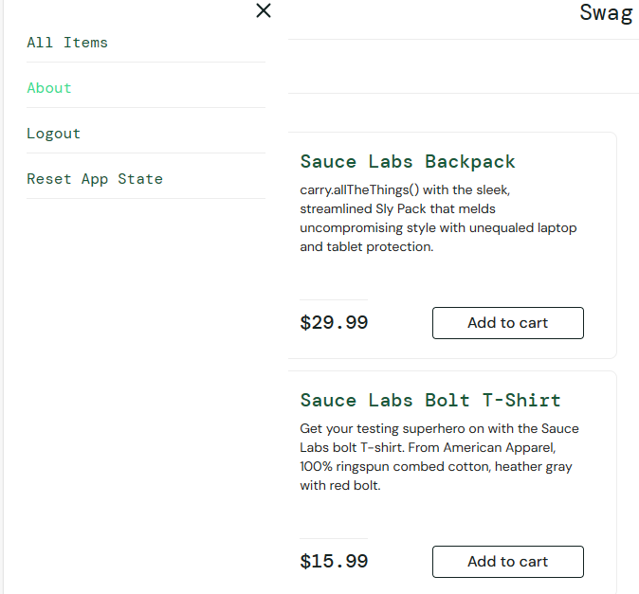
Bug report

category | Label |  | value

Bug ID |  | ID | 1
 |  | name | Asmaa
 |  | Date | 2024-01-03

Bug Overview |  | summary | in home page icons :Reset App State don’t work
 |  | URL | https://www.saucedemo.com/inventory.html
 |  | screenshoot | Atteched Below

Environment |  | Platform | pc
 |  | operating system | wind 10
 |  | Browser | google

Bug Details |  | 1-open home page using vaild name and vaild password 2-click on home button 3- select Add to cart more items 4- cilck Reset App State option

Bug Tracking |  | periority | High

 |  | Severity | High

